Map
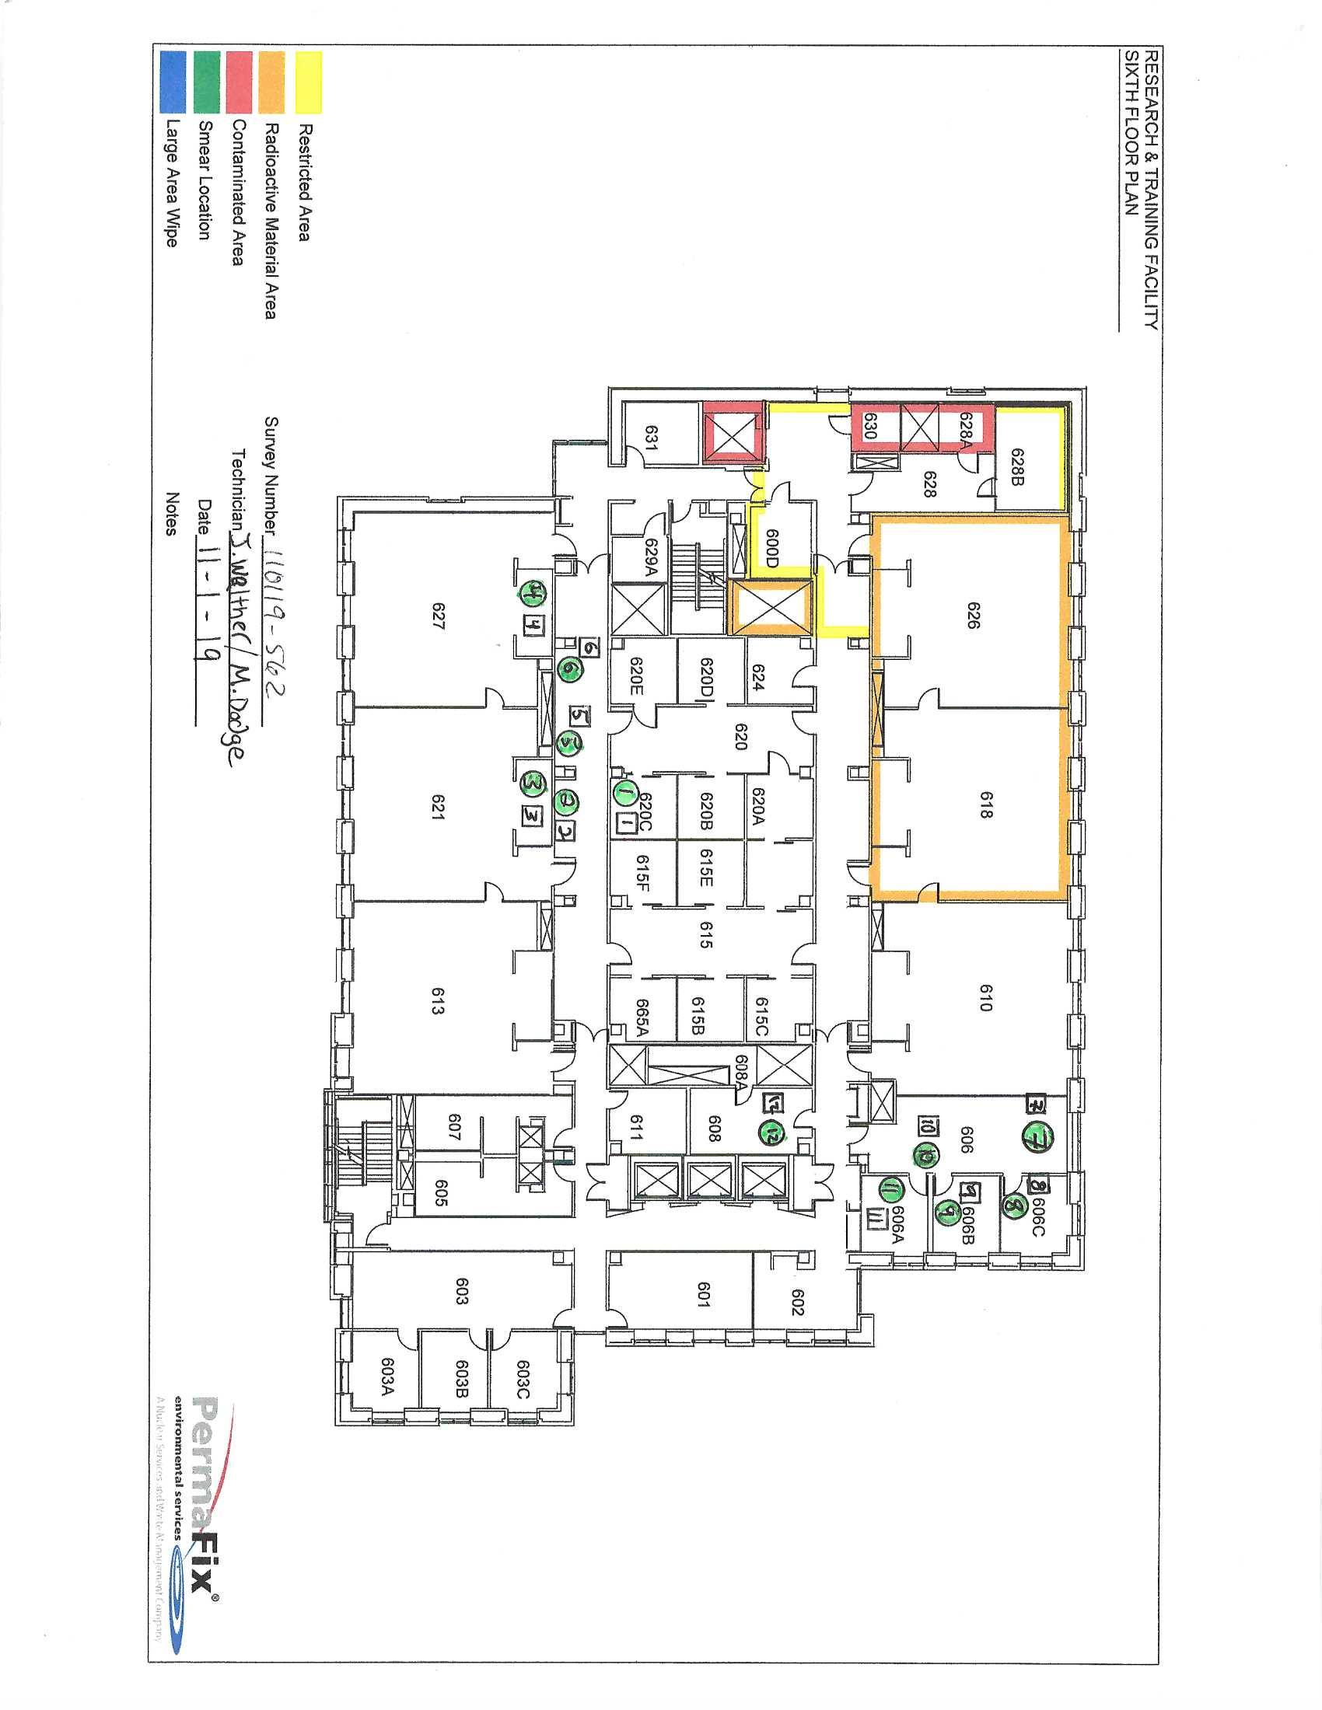

Survey No | INIS-110119-562
Date | 2019-11-01
Survey Tech | J. Walther/D. Dodge
Count Room Tech | P. Ray
Date Counted | 2019-11-01
Survey Type | Characterization
Level of Posting | None
Comments

